photo
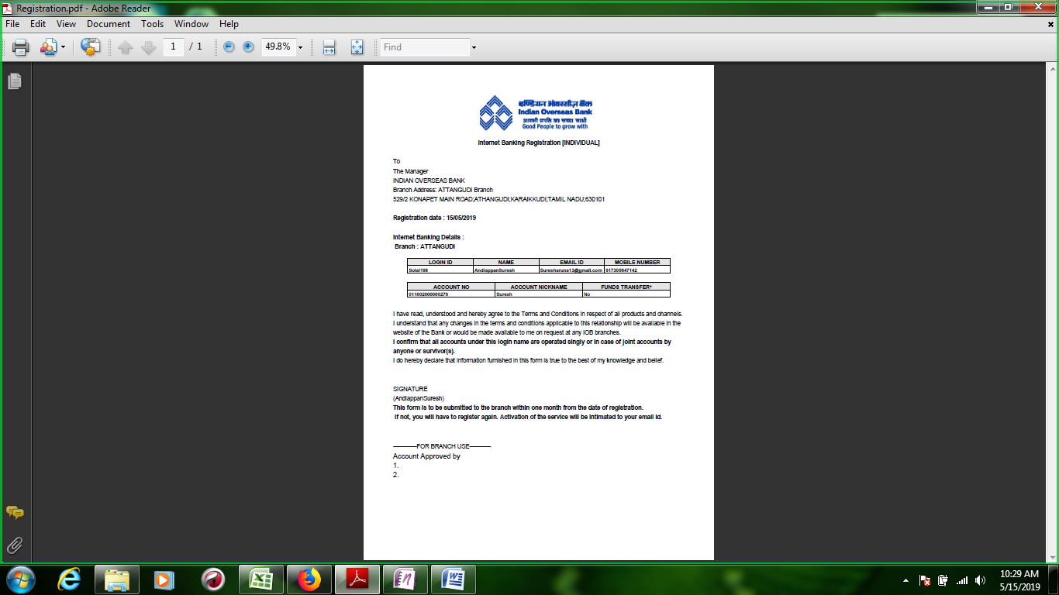
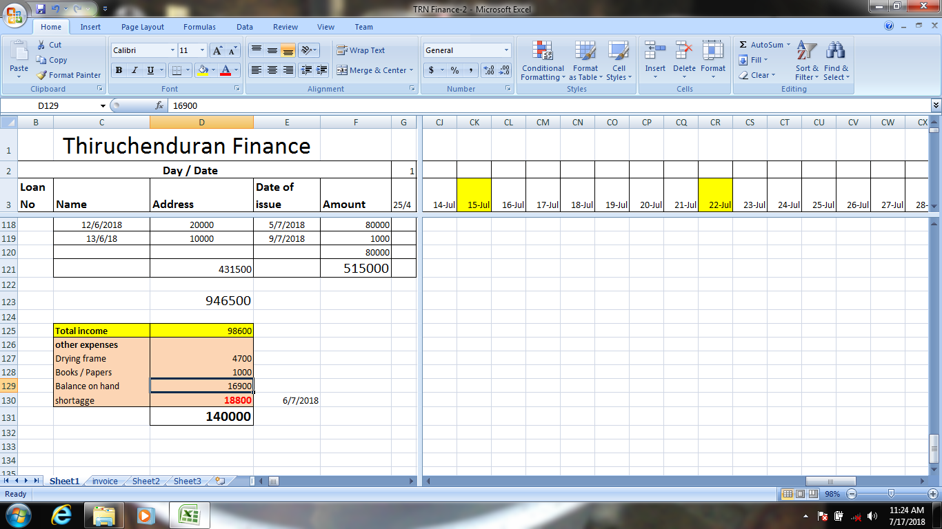
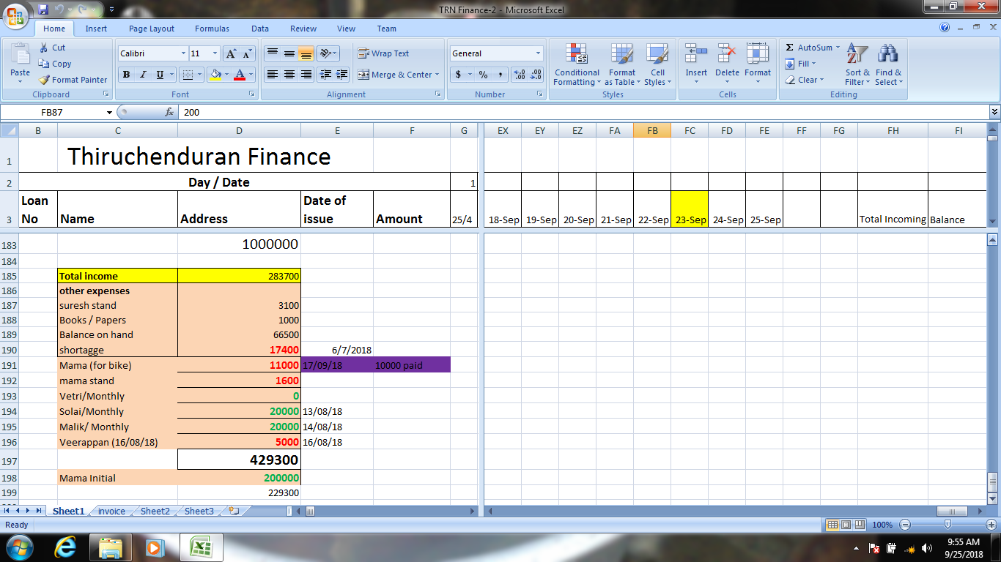

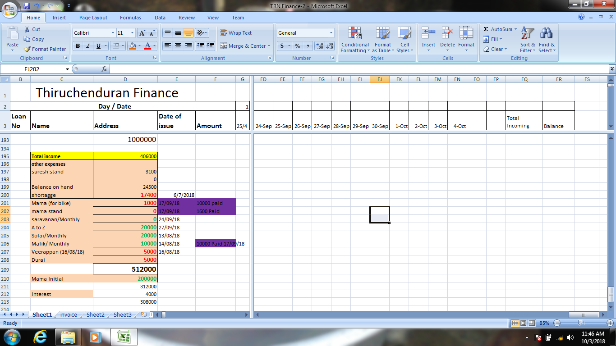
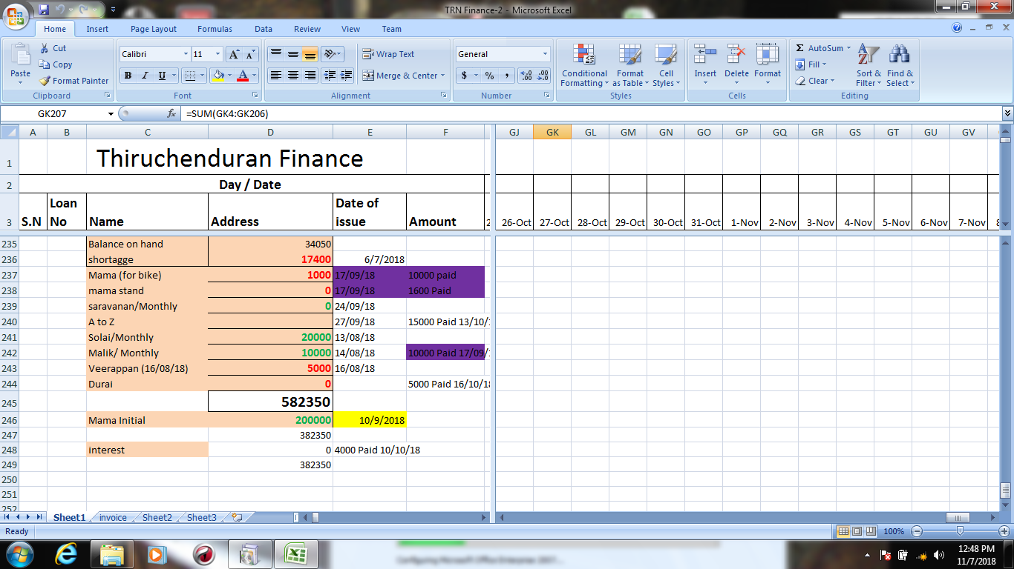

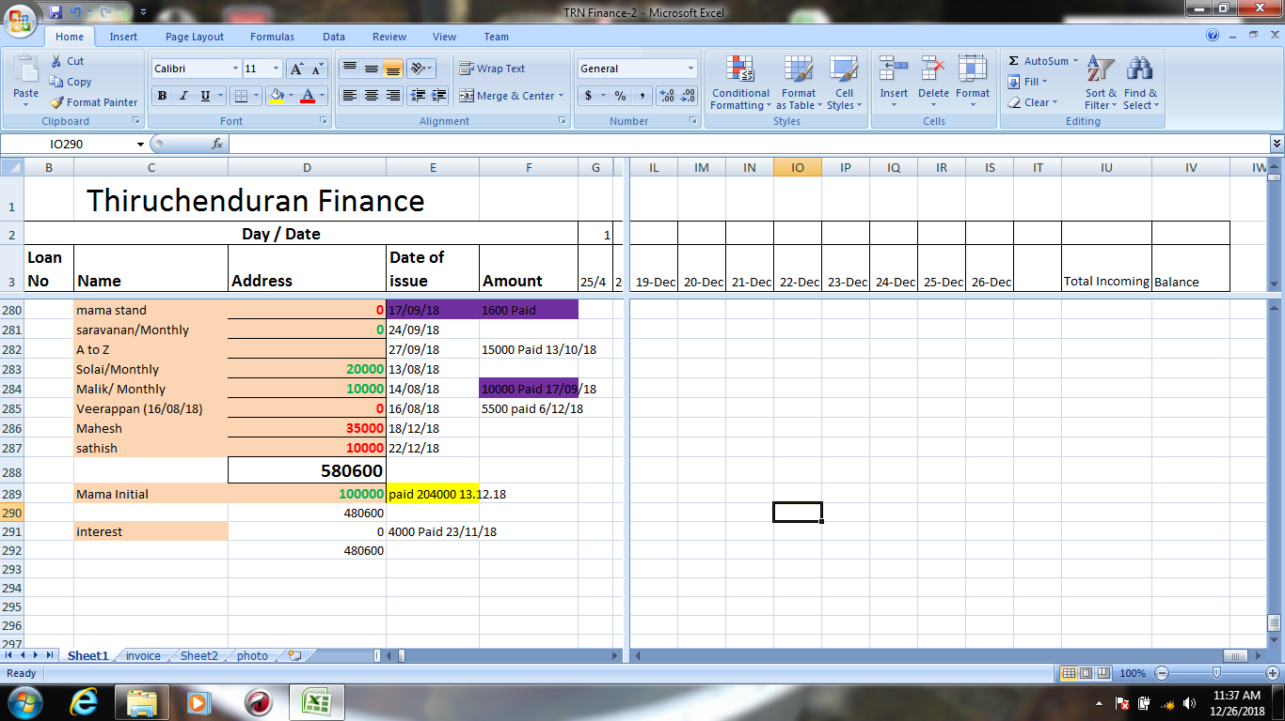
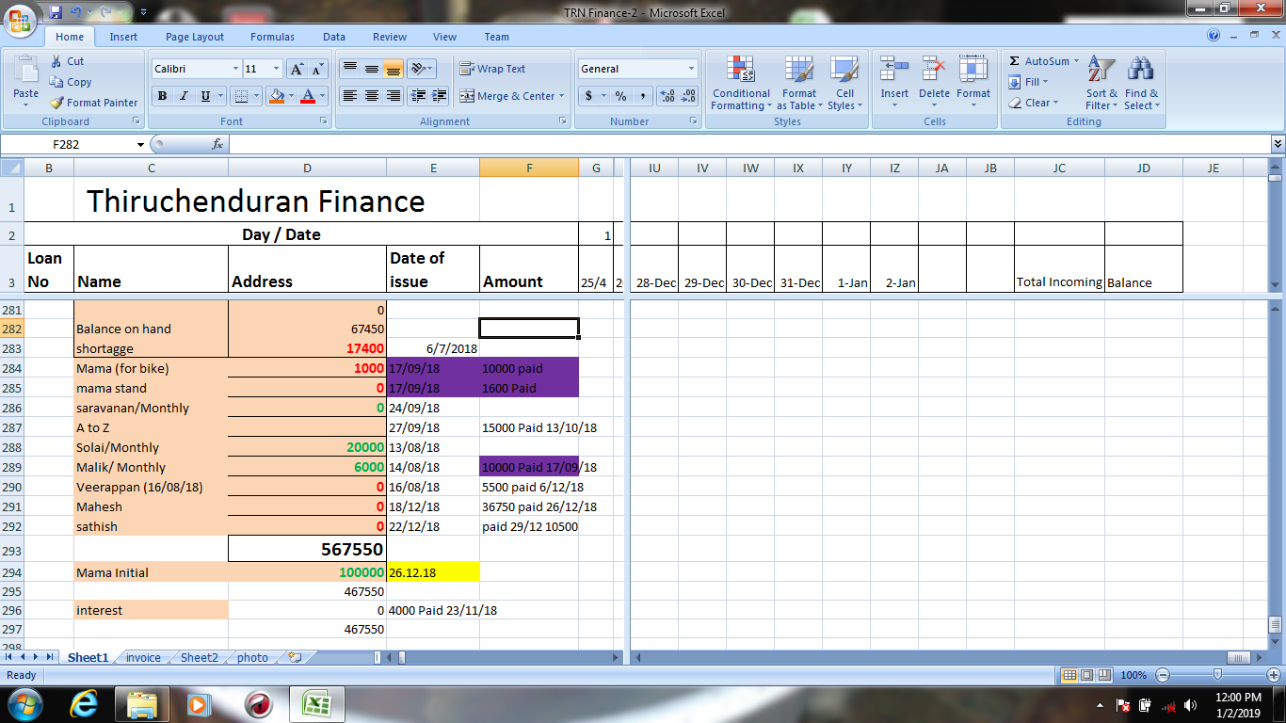

Upto 2.01.19

 | 2019-03-01 | 20000
 | 2019-03-01 | 30000
 | 2019-05-01 | 10000
 | 2019-05-01 | 6000
 | 2019-07-01 | 20000
 | 2019-05-01 | 50000
 | 2019-07-01 | 12000
 | 2019-08-01 | 5000
 | 2019-08-01 | 20000
 | 2019-10-01 | 15000
 | 2019-11-01 | 20000
 | 14/1/19 | 10000
 | 14/1/19 | 10000
 | 19/1/19 | 30000
 | 19/1/19 | 100000
 | 23/1/19 | 30000
 | 24/1/19 | 15000
 | 24/1/19 | 5000
 | 28/1/19 | 20000
 | 29/1/19 | 15000
 | 31/1/19 | 10000
Current Month |  | 428000 | 42800
Previouse balance |  | 467550 | 467550
Current Balance |  |  | 510350

